Sheet1_2
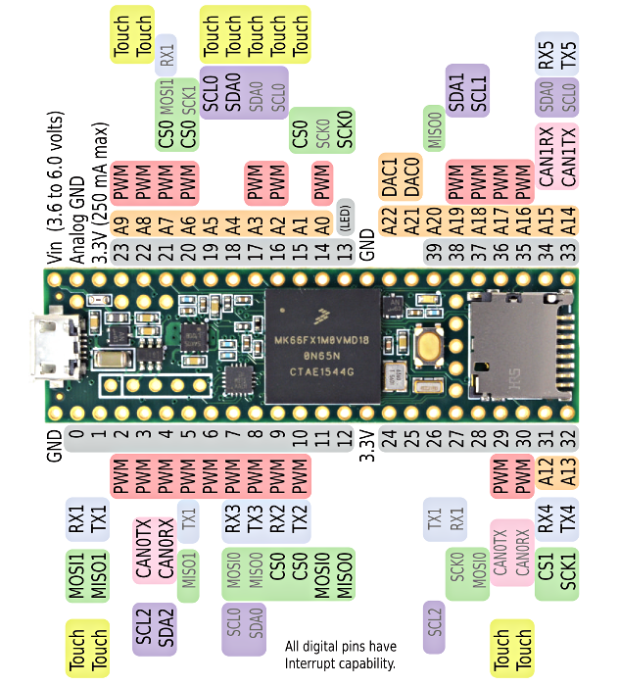
 | Teensy Pedal Pin assignment
Pin | Description | opt/unused | Comments
 | Encoder / RG led |  |  | Row1 | Type | Connected to | Opt/unused | Row2 | Type | Connected to | Opt/unused
24 | ENC_SW | no | D in pullup | GND |  |  |  | Vin
25 | ENC_A | no | D in pullup | 0 | D | #N/A | #N/A | A GND | OUT | #N/A | #N/A
26 | ENC_B | no | D in pullup | 1 | D | #N/A | #N/A | 3.3V 250 ma | OUT | #N/A | #N/A
29 | ENC_Rled | y | PWM | 2 | D | #N/A | #N/A | 23 | A | DACL/ADCL i2s | no
30 | ENC_Gled | y | PWM | 3 | D | #N/A | #N/A | 22 | A | MOSI i2s | no
 | Pots |  |  | 4 | D | #N/A | #N/A | 21 | A | TFT_CS | no
36 | Pot1 | no | analog in | 5 | D | #N/A | #N/A | 20 | A | TFT_DC | no
37 | Pot2 | no | analog in | 6 | D | #N/A | #N/A | 19 | A | SCL i2c | no
38 | Pot3 | no | analog in | 7 | D | TFT_MOSI | no | 18 | A | SDA i2c | no
39 | Pot4 | no | analog in | 8 | D | #N/A | #N/A | 17 | A | #N/A | #N/A
 | Switches |  |  | 9 | D | SCK i2s | no | 16 | A | #N/A | #N/A
27 | SW1 | no |  | 10 | D | #N/A | #N/A | 15 | A | #N/A | #N/A
28 | SW2 | no |  | 11 | D | #N/A | #N/A | 14 | A | TFT_SCLK | no
31 | SW3 | y |  | 12 | D | TFT_MISO | no | 13 (LED) | D | #N/A | #N/A
 | TFT ILI9341 2.2’’ |  |  | 3.3V | OUT | #N/A | #N/A | Gnd | OUT | #N/A | #N/A
20 | TFT_DC | no |  | 24 | D | ENC_SW | no | Dac1 | OUT | #N/A | #N/A
21 | TFT_CS | no |  | 25 | D | ENC_A | no | Dac0 | OUT | #N/A | #N/A
3.3V | TFT_RST |  |  | 26 | D | ENC_B | no | 39 | A | Pot4 | no
7 | TFT_MOSI | no |  | 27 | D | SW1 | no | 38 | A | Pot3 | no
14 | TFT_SCLK | no |  | 28 | D | SW2 | no | 37 | A | Pot2 | no
12 | TFT_MISO | no |  | 29 | D | ENC_Rled | y | 36 | A | Pot1 | no
 | (remaining connections : VCC=> 5V, GND to GND, LED to 5V through 100ohm res) |  |  | 30 | D | ENC_Gled | y | 35 | A | #N/A | #N/A
 | Audio CODEC WM8731 MikroElectronika |  |  | 31 | D | SW3 | y | 34 | A | #N/A | #N/A
23 | DACL/ADCL i2s | no |  | 32 | D | #N/A | #N/A | 33 | A | #N/A | #N/A
22 | MOSI i2s | no
13 | MISO i2s | no |  | BACK |  |  |  | BACK
9 | SCK i2s | no |  | AREF |  |  |  | USBHOST
18 | SDA i2c | no |  | A10 |  |  |  | USBHOST
19 | SCL i2c | no |  | A11 |  |  |  | USBHOST
 |  |  |  | 57 |  |  |  | USBHOST
 |  |  |  | 56 |  |  |  | USBHOST
 |  |  |  | 55 |  |  |  | GND
 |  |  |  | 54 |  |  |  | DE
 |  |  |  | 53 |  |  |  | DC
 |  |  |  | 52 |  |  |  | DD
 |  |  |  | 51 |  |  |  | 40
 |  |  |  | 50 |  |  |  | 41
 |  |  |  | 49 |  |  |  | 42
 |  |  |  | 48 |  |  |  | 43
 |  |  |  | 47 |  |  |  | 44
 |  |  |  | 3.3V |  |  |  | 45
 |  |  |  |  |  |  |  | 46
 |  |  |  |  |  |  |  | GND

